Sheet1
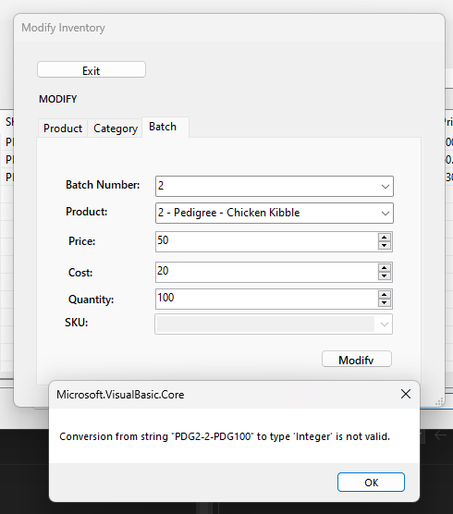
PET SHOP INVENTORY SYSTEM
# | Module | Title | Label | Description | Status | Remarks
1 | POS | Checkout | System | Hindi makagawa ng transaction, hindi nagpapakita sa admin controls yung transaction and di nababawasan sa inventory so baka may error lang sakin? Tho yung OR niya nag iincrement | For checking
2 | POS | Checkout | Improvement | pag nag open ng POS gawin nalang na naka N/A agad yung customer, unless stated otherwise na may account yung customer | For checking |  | Log #7: ayan oh wala siya sa POS
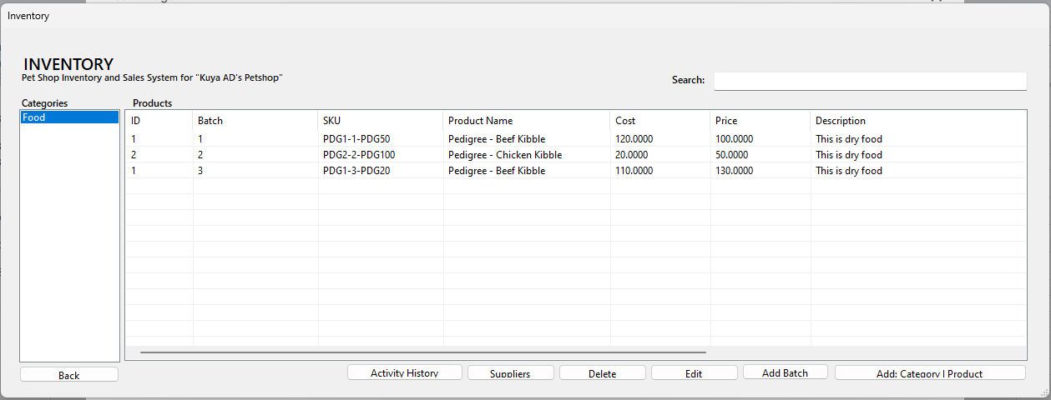
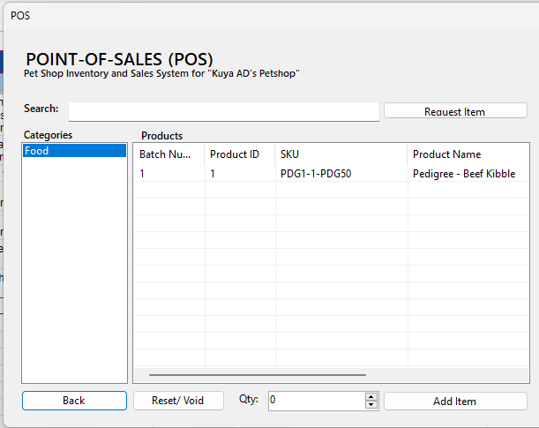
3 | POS | Request Item | Improvement | Hindi ata nakaka request item pa yung version? | For checking
4 | Admin Controls | Employee Management | System | Dagdagan sa DB at system ng date kung kelan nagawa yung account | For checking
5 | Admin Controls & POS | Customer Management | System | Dagdagan sa DB at system ng date kung kelan nagawa yung account | For checking
6 | Inventory | Add Batch | Improvement | Dagdagan natin ng categories bar sa left side ng add batch at search bar sa taas for easier navigation | For checking
7 | Inventory & POS | Item | System | Kapag nag add ako ng product at batch, yung 2nd batch di nagpapakita na sa POS | For checking
8 | Choice | Change Password | System | Hindi nag gegenerate yung user name. For the functionality naman hindi nagana back at update button | For checking
9 | Inventory | Modify | System | Nag eerror pag mag momodify ng item sa Batch | For checking
10 | NOTE |  |  | Kapag nalabas yung error na "There is already an open Database associated with this Connection which must be closed first" nasabog yung system | For checking
11 | POS | Serch | System | Kapag nag ssearch sa POS nag eerror | For checking
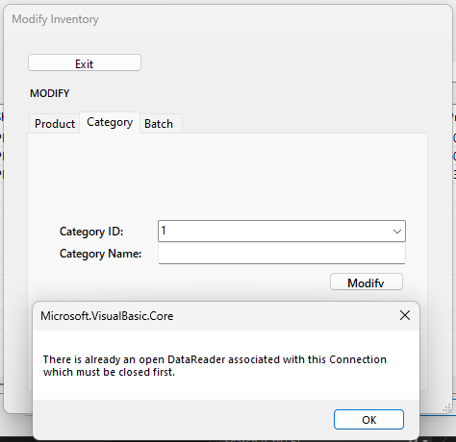
12 | Admin Controls | Modify | System | Hindi maka modify ng employee and customer | For checking |  | Log #8

